Matrice Roluri Documente SINS
Mijloace de lucru:

Matrice de responsabilitati.

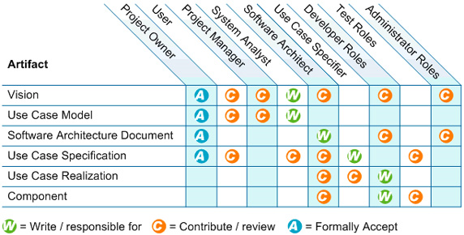

Fluxul artefactelor ( adaptat in matrice/rol pentru SINS)

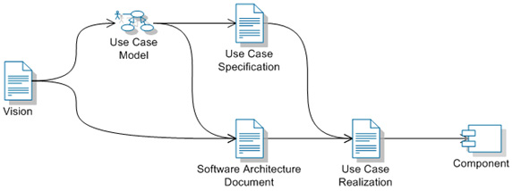

 |  |  |  |  | INTRAROM | PLURIVA | PLURIVA | PLURIVA | PLURIVA | PLURIVA | PLURIVA | PLURIVA
 |  |  |  | Rol: | Project Manager | Project Manager | Software Architect | System Analyst | Test Manager | Test Analyst | Developer | Tester
Documente:
 | Business
 |  | Business Case | IN |  | X | X
 |  | Business Case | OUT
 | Requirements
 |  | System Requirements List | IN |  | X | X
 |  | System Requirements List | OUT
 |  | Software Requirements Specification | IN |  |  |  |  | X
 |  | Software Requirements Specification | OUT
 |  | Requirements Attributes | IN |  |  |  |  | X
 |  | Requirements Attributes | OUT
 | Architecture
 |  | Development Case | IN |  |  |  | x
 |  | Development Case | OUT |  |  |  | x
 |  | Software Development Plan | IN
 |  | Software Development Plan | OUT
 |  | Software Architecture Document | IN
 |  | Software Architecture Document | OUT
 |  | Architecture Proof-of-Concept | IN
 |  | Architecture Proof-of-Concept | OUT
 |  | Domain Model | IN
 |  | Domain Model | OUT
 |  | Analysis Model | IN
 |  | Analysis Model | OUT
 |  | Use Case Model | IN
 |  | Use Case Model | OUT

